Riskometer - Sep 21
SEBI vide its Circular No. SEBI/HO/IMD/DF3/CIR/P/2020/197 dated October 05, 2020, has revised guidelines on the Product Labelling (‘Risk-o-meter’) for Mutual Funds. Accordingly, Product Labelling (‘Risk-o-meter’) for all schemes of LIC Mutual Fund basis the portfolio of schemes as on September 30, 2021 is as follows:

Scheme Name | The product is suitable for investors who are seeking* | Riskometer - Scheme | Primary Benchmark | Riskometer - Primary Benchmark
LIC MF Debt Hybrid Fund | •Medium term capital appreciation with current income | 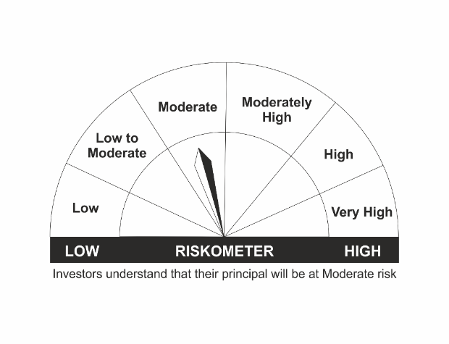 | CRISIL Hybrid 85+15 - Conservative Index | 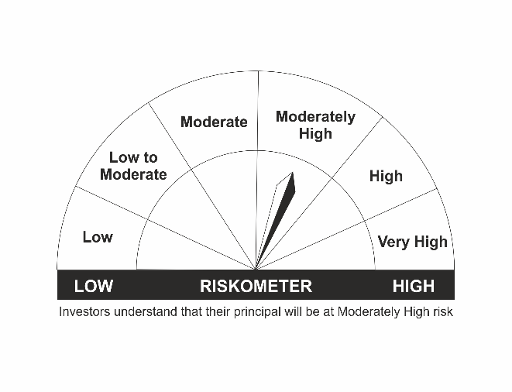
 | •A fund that invests predominantly in debt instruments with marginal equity exposure.
 | •Risk - Moderate
LIC MF G-Sec Long Term Exchange Traded Fund | •Medium to long term regular Income. |  | Nifty 8-13 yr G-Sec
 | •Investment in securities in line with Nifty 8- 13 Yr G-Sec Index to generate comparable returns subject to tracking error.
 | •Risk - Moderate
LIC MF Bond Fund | •Income Over Medium to long term |  | CRISIL Composite Bond Fund Index
 | •To generate income/capital appreciation through investments in Debt / Money Market Instruments
 | •Risk - Moderate
LIC MF Banking & PSU Debt Fund | •Regular income for medium term capital appreciation with current income. | 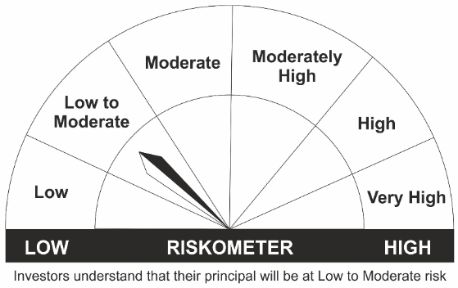 | NIFTY Banking & PSU Debt Index
 | •An income fund that invests predominantly in debt and money market instruments issued by Banks, Public Sector Undertakings, Public Financial Institutions and Municipal Bonds
 | •Risk – Low to Moderate
LIC MF Short Term Debt Fund | •Generation of reasonable returns over short to medium term. |  | CRISIL Short Term Bond Fund Index
 | •Investment in Debt securities and money market instruments.
 | •Risk - Moderate
LIC MF Savings Fund | •Regular Income for short term |  | CRISIL Low Duration Debt Index
 | •A fund that focuses on low duration securities.
 | •Risk – Low to Moderate
LIC MF Govt. Securities Fund | •Long term Capital Appreciation and current income |  | NIFTY All Duration G-Sec Index
 | •Investment in sovereign securities issued by Central/ State Government
 | •Risk – Low to Moderate
LIC MF Liquid Fund | •Regular income for short term |  | CRISIL Liquid Fund Index
 | •Investment in Debt/Money Market Instruments with maturity of upto 91 days.
 | •Risk – Low to Moderate
LIC MF Ultra Short Term Fund | •Regular income over short term. |  | CRISIL Ultra Short Term Debt Index
 | •Investment in Debt & Money Market Instruments such that the Macaulay Duration of the portfolio is between 3 months- 6 months.
 | •Risk – Low to Moderate
LIC MF Overnight Fund | •Regular income with high levels of safety and liquidity over short term. | 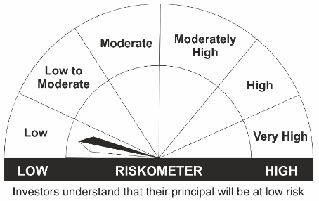 | NIFTY 1D Rate Index
 | •Investment in debt and money market instruments with overnight maturity.
 | •Risk – Low
LIC MF Arbitrage Fund | •Income over a short term investment horizon |  | NIFTY 50 Arbitrage Index
 | •Income through arbitrage opportunities between cash and derivative market and arbitrage opportunities within the derivative segment of the equity market
 | •Risk – Low
LIC MF Equity Hybrid Fund | •Long term capital appreciation with current income | 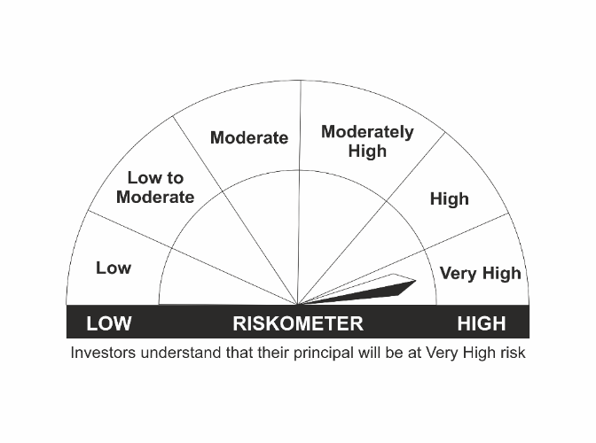 | CRISIL Hybrid 35+65 - Aggressive Index
 | •A fund that invests both in stocks and fixed income instruments.
 | •Risk - Very High
LIC MF Banking & Financial Services Fund | •Capital appreciation over long term. |  | Nifty Financial Services TRI
 | •Investing predominantly in portfolio of equity and equity related securities of companies engaged in banking and financial services.
 | •Risk – Very High
LIC MF Children's Gift Fund | •Long term capital appreciation and current income |  | CRISIL Hybrid 35+65 - Aggressive Index
 | •A fund that invests both in stocks and fixed income instruments.
 | •Risk - Very High
LIC MF Flexi Cap Fund | •Long term capital appreciation |  | Nifty 500 TRI
 | •Investing across Large, Mid & Small Cap stocks.
 | •Risk - Very High
LIC MF Large Cap Fund | •Long Term Capital Appreciation |  | NIFTY 100 TRI
 | •A Fund that primarily invest in large-cap stock.
 | •Risk – Very High
LIC MF Infrastructure Fund | •Long Term Capital Growth |  | Nifty Infrastructure TRI
 | •Investment in equity and equity related instruments of companies engaged either directly or indirectly in infrastructure sector.
 | •Risk – Very High
LIC MF Index Fund – Nifty Plan | •Long Term Capital Growth |  | NIFTY 50 TRI
 | •Investment in equity instrument of respective index stocks subject to tracking error.
 | •Risk - Very High
LIC MF Index Fund – Sensex Plan | •Long Term Capital Growth |  | S&P BSE Sensex TRI
 | •Investment in equity instrument of S & P BSE Sensex index stocks subject to tracking error.
 | •Risk - Very High
LIC MF Large & Mid Cap Fund | •Long Term Capital Appreciation. |  | Nifty LargeMidcap 250 TRI
 | •A fund that primarily invests in Large and Mid-cap stocks
 | •Risk – Very High
LIC MF Exchange Traded Fund – Nifty 100 | •Long term investment. |  | NIFTY 100 TRI
 | •Investment in equity and equity related securities and portfolios replicating the composition of Nifty 100 Index, subject to tracking errors.
 | •Risk- Very High
LIC MF Tax Plan | •Long Term Capital Growth |  | Nifty 500 TRI
 | •Investment in equity and equity related securities
 | •Risk - Very High
LIC MF Exchange Traded Fund – Nifty 50 | •Long term investment. |  | NIFTY 50 TRI
 | •Investment in securities covered by NIFTY 50 Index, subject to tracking errors.
 | •Risk- Very High
LIC MF Exchange Traded Fund – Sensex | •Long term investment. |  | S&P BSE Sensex TRI
 | •Investment in securities covered by S&P BSE SENSEX, subject to tracking errors.
 | •Risk- Very High
LIC MF Unit Linked Insurance Scheme | •Long term capital appreciation and current income |  | CRISIL Hybrid 35+65 - Aggressive Index
 | •Investment in Equity and equity related securities, fixed income securities (debt and money market securities).
 | •Risk - Very High

*Investors should consult their financial advisers if in doubt about whether the product is suitable for them.
Mutual Fund investments are subject to market risks, read all scheme related documents carefully.

